1. Title Page
Instacart Grocery Basket Analysis

Project Name: Instacart Grocery Basket Analysis
Date: 2022-09-22
Analyst Name: Raymond Zhang

Contents:
Population Flow
Consistency checks
Wrangling steps
Column derivations
Visualizations
Recommendations

Declare: This project analysis based on the open data source which comes from Instacart Grocery, and the customers table is created for analysis purpose only. All of the information related to customer names or incomes are generated as created.

2. Population Flow
Title page

Population flow

Orders_products_combined
Orders_products_merged
Orders_products_all

Total:(32404859, 13 )
Total:(32434489,9)
Total:(32404859, 19)

Exclusion flag
Condition: max_order < 5
Obervations to be removed: 1440295
Final total count of order_products_all: 30964564

1.) The grey boxes in the first row of the population flow represent the original data sets as they were when you downloaded them. In the Total fields you need to add the count of the rows when you imported the data set into Jupyter.
2.) The second row of boxes (coloured) represents the data sets after you manipulated them, e.g., removed missing values and duplicates. In the Total fields you need to add the count of the rows after conducting these operations. This offers a visual oveview of how the data flows throughout the data consistency checks.
3.) The third row, where also the arrows are coloured, represents the merges you performed between the datasets. In the Total fields you need to add the count of the rows in the merged datasets, so that you end up with the final dataset (in the red box). Keep in mind the final dataset should be without exclusions (based on the exclusion flag).

3. Consistency checks
 |  |  |  | Title page
Consistency checks

Dataset | Missing values | Missing values treatment | Duplicates
orders | 206209 | Filling out them with Median 7 | No Duplicates found
products | 16 | Create a new dataframe without overwriting the original dataframe | 5 duplicates found
orders_products_prior | Non missing values found | No nan values found | No Duplicates found
customers | 11259 | I created a new datafram instead of overwriting it. | No Duplicates found

4. Wrangling steps
 |  |  |  | Title page
Wrangling steps

Columns dropped | Columns renamed | Columns' type changed | Comment/Reason
eval_set | order_dow rename to day_of_week | user_id and order_id changed to string type | As we don't need to show those numerical numbers without any meaning about the statistic values. Those numbers actually just using numerical to create a flag, not the same meaning as a real statistic number.
First Name | STATE rename to State
Surname
date_joined

5. Column derivations
 |  |  |  | Title page

Column derivations and aggregations

In this tab you should add tables below that the frequences of flags/label variables that you produced after deriving them. NB: don't do this for continuous variables, only for flags.
Dataset | New column | Column/s it was derived from | Conditions
ord_pro_merged | price_label | prices | if the value in the 'prices' <= 5 then return 'Low-range product' if the value in the 'prices' > 5 and the value in the 'prices' <= 15 return 'Mid-range product' if the value in the 'prices' > 15 return 'High-range product' else return 'No data'
ord_pro_merged | two_busiest days | day_of_week | if the value in the 'day_of_week' in (0,1) then return 'two-busiest days' if the value in the day_of_week' in (3, 4) return 'two-slowest days' else return 'regular-busy days'
ord_pro_merged | busiest_period_of_day | order_hour_of_day | if the value in the 'order_hour_of_day' in (10,11,14,15,13,12,16,9) then return 'Most orders' if the value in the 'order_hour_of_day' in (17,8,18,19,20,7,21,22) return 'Average orders' else return 'Fewest orders'
ord_pro_merged_new_columns | loyalty_flag | max_order | * If the maximum orders the user has made is over 40, then the customer will be labeled a “Loyal customer.” * If the maximum orders the user has made is over 10 but less than or equal to 40, then the customer will be labeled a “Regular customer.” * If the maximum orders the user has made is less than or equal to 10, then the customer will be labeled a “New customer.”
ord_pro_merged_new_columns | spending_flag | average_product_price | if the value in the 'average_product_price' < 10 then return 'Low spender' if the value in the 'average_product_price' >= 10 then return 'High spender' else return 'No data'
ord_pro_merged_new_columns | frequency_flag | median_days_since_prior_order | if the value in the 'median_days_since_prior_order' < =10 then return Frequent customer' if the value in the 'median_days_since_prior_order' > 10 and <= 20 then return 'Regular customer' if the value in the 'median_days_since_prior_order'>20 then return 'Non-frequent customer' else return 'No data'
ord_product_all | exclusion_flag | max_order | if the value < 5 then return 'exclusion'
df_active (without exclusion columns) | age_profile | Age, n_dependants | age <= 35 and number of dependants > 0, named as 'Young parent' age>= 55 and number of dependants > 0, named as 'Old parent' 55>age>35 and number of dependants >0, named as 'Mid parent' number of dependants = 0, named as 'Single'
df_active (without exclusion columns) | income_group | income | income <=55000, then 'low income' 125000>income>55000 then 'mid income above 125000 then 'high income'
df_active (without exclusion columns) | dependant_group | n_dependants | dependant > 0 then 'Have dependant' dependant =0 then 'No dependant'
df_active (without exclusion columns) | bakery_status | department | 1 if x == 'bakery' else 0 for x in df_active['department']
df_active (without exclusion columns) | frozen_status | department | 1 if x == 'frozen' else 0 for x in df_active['department']

6. Visualizations
 | Title page

Visualisations

In this tab you should include all the visualtions from Exercises 4.9 and 4.10, alongside the questions from the project brief that they answer. Include any commentary on the relationship between different variables.

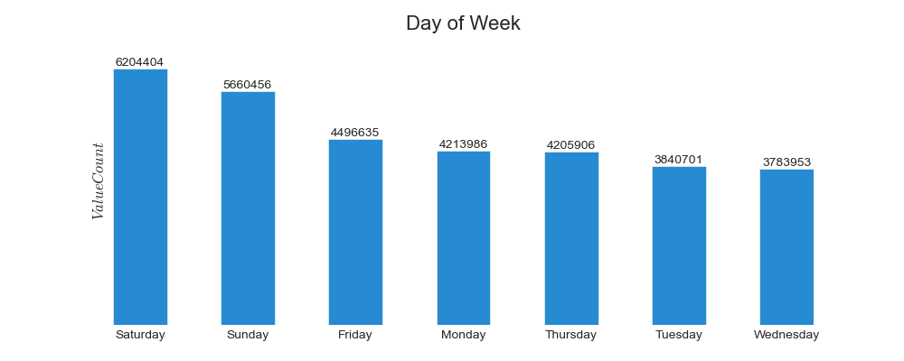
1. The sales team needs to know what the busiest days of the week and hours of the day are (i.e., the days and times with the most orders) in order to schedule ads at times when there are fewer orders.

The busiest days are Saturday,Sunday and Friday during the week day.

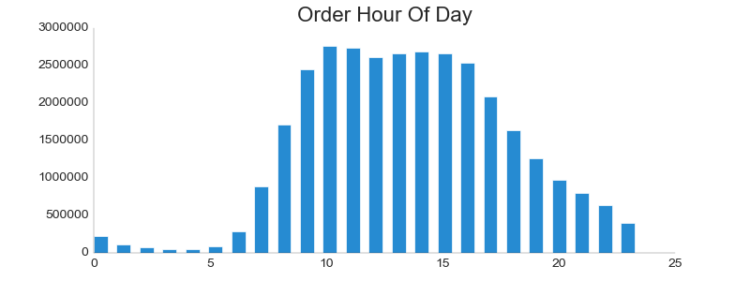

The busiest hours during the day is from 9am to 16pm during the day.
2.They also want to know whether there are particular times of the day when people spend the most money, as this might inform the type of products they advertise at these times.

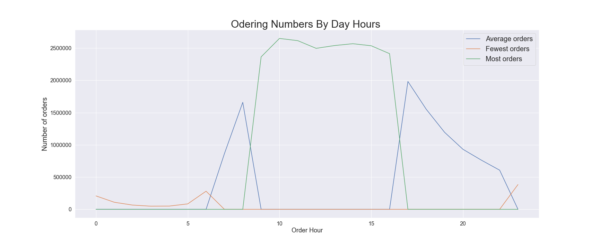

The most orders happens between 10am and 15pm during the day.

3.Instacart has a lot of products with different price tags. Marketing and sales want to use simpler price range groupings to help direct their efforts.

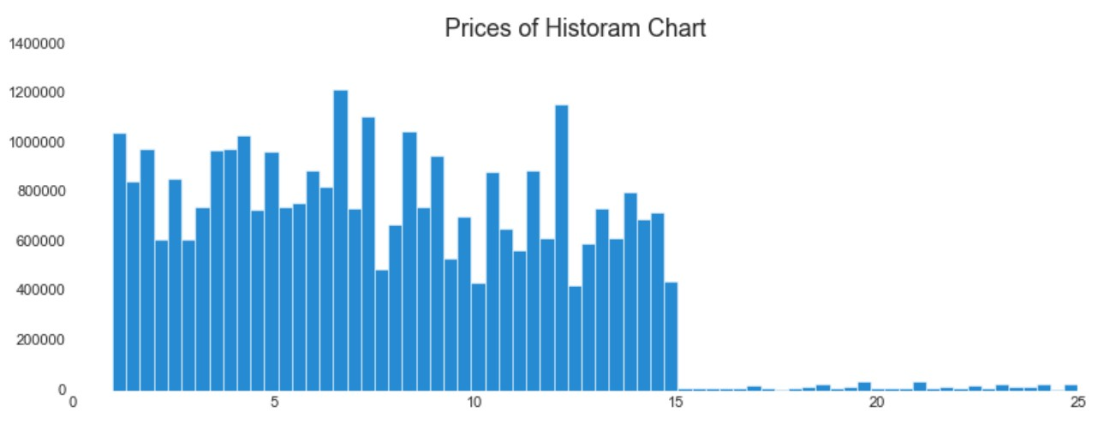

The price range is from $1 to $25

4.Are there certain types of products that are more popular than others? The marketing and sales teams want to know which departments have the highest frequency of product orders
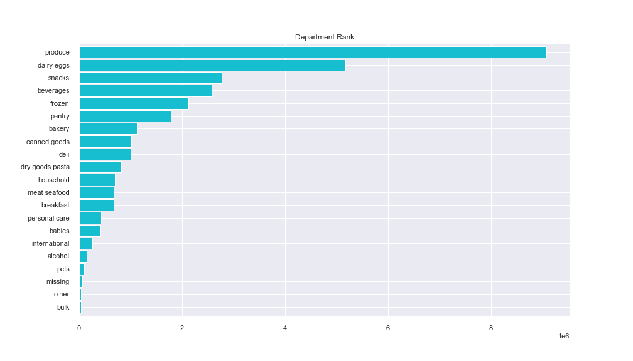

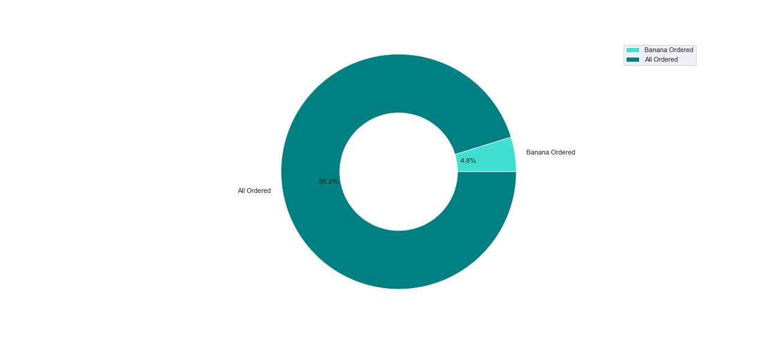

Banana has the most orders throupg all departments and the produce department is the top 1 department with the most orders, customers likes buying bananas and it holds 5% in all orders in produce department .
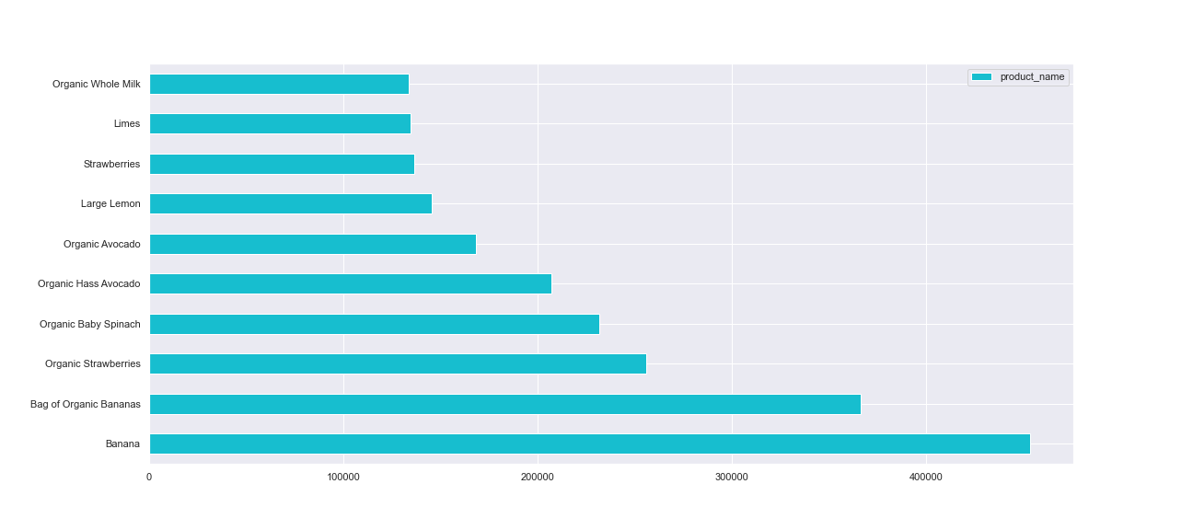

These are the top 10 products for customer ordering most and most them are in produce department.

5. The marketing and sales teams are particularly interested in the different types of customers in their system and how their ordering behaviors differ. For example:
1): What’s the distribution among users in regards to their brand loyalty (i.e., how often do they return to Instacart)?
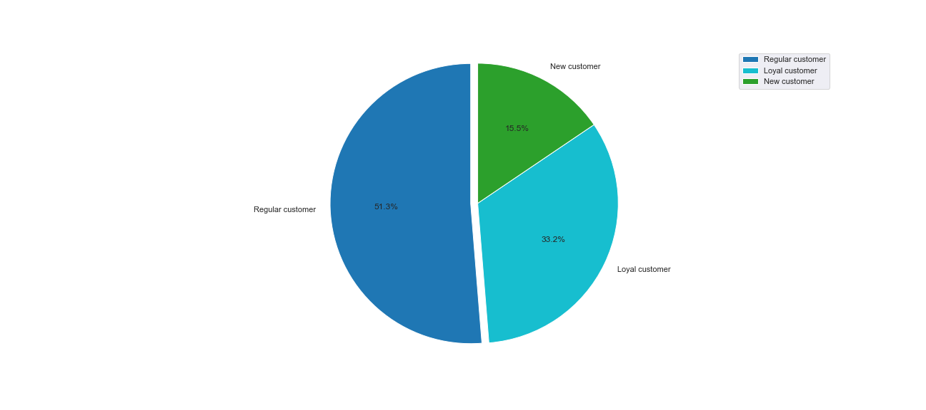

Most customers are in regular customer group and we don't have many loyal customers.
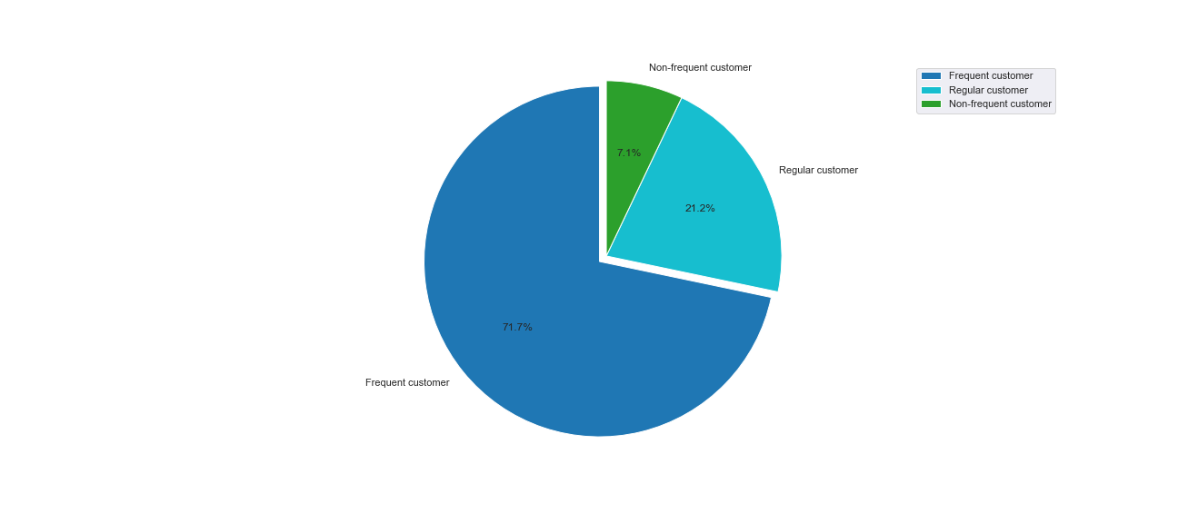

We have a good percentage on customers who like ordering back and that is a good flag for us

2).Are there differences in ordering habits based on a customer’s loyalty status?
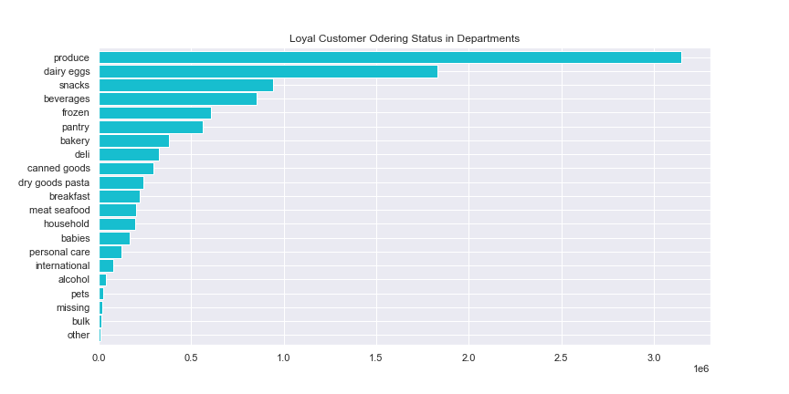



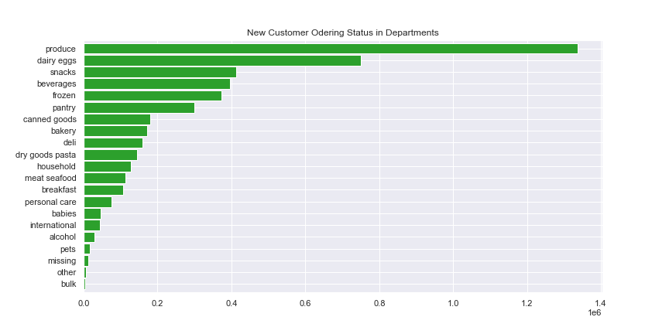

Generally speaking, there is no big difference based on a customer's loyalty status , and our customers all like buying from produce, dairy eggs and snacke departments.

3): Are there differences in ordering habits based on a customer’s region?

Actually there is no big difference in ordering habits based on customer's region. Produce, dairy eggs and snack are the top 3 departments through all of the regions. Our customers all like ordering through the produce department.

4): Is there a connection between age and family status in terms of ordering habits?
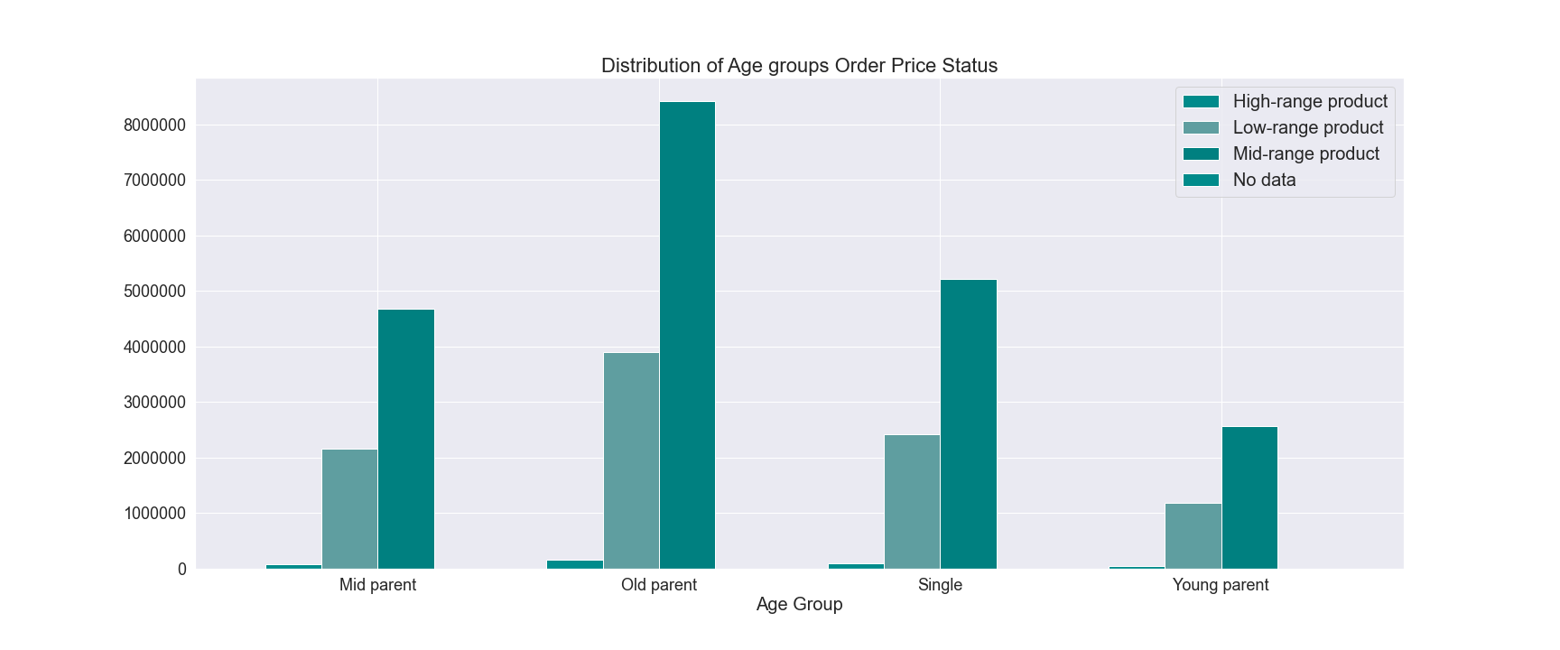

Old parents whose age above 55 and has at least one dependant ordering the most both in 'Mid-range' and 'High-range', young parent whose age is under 35 ordering the fewest.
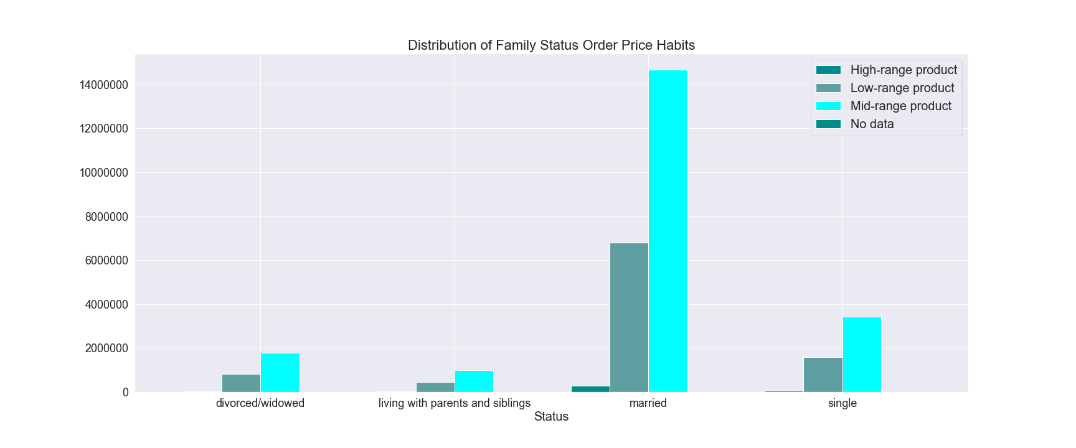

The most ordering comes from married family status and those fmailies also have at least one dependants, it is connected with the age group that our most orders come from age above 35 who got marrired and have at least one dependant.

5).What different classifications does the demographic information suggest? Age? Income? Certain types of goods? Family status?
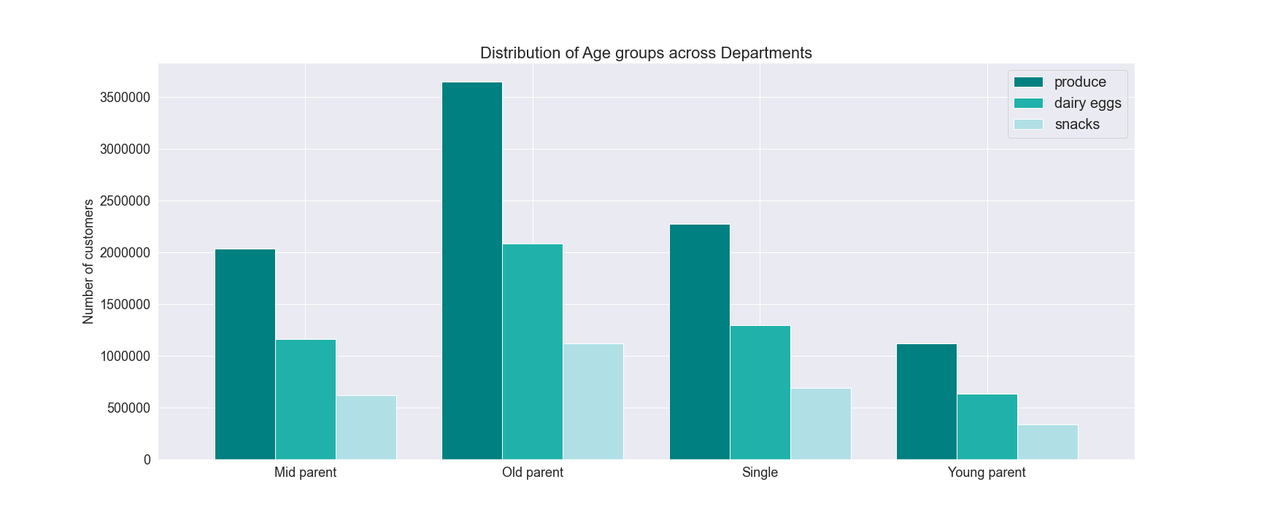

Old parents whose age above 55 ordered the most through the first top 3 departments.
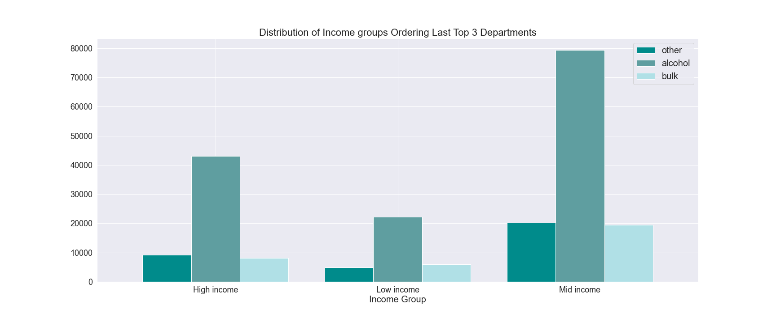

Middle income group whose income between 52000 and 125000 spent the most for ordering.

The most ordering comes from married family status and those fmailies also have at least one dependants, it is connected with the age group that our most orders come from age above 35 who got marrired and have at least one dependant with the income between 52000 and 125000.

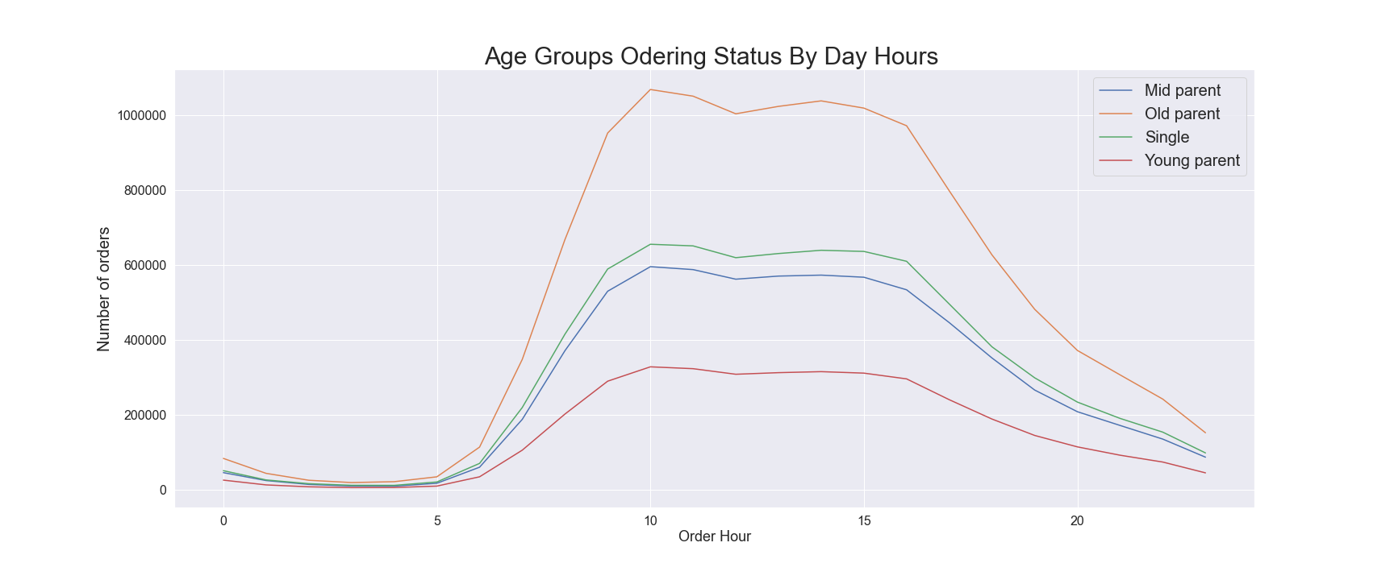
6).What differences can you find in ordering habits of different customer profiles? Consider the price of orders, the frequency of orders, the products customers are ordering, and anything else you can think of.

Old parent is the top 1 spender and young parent is the last 1.
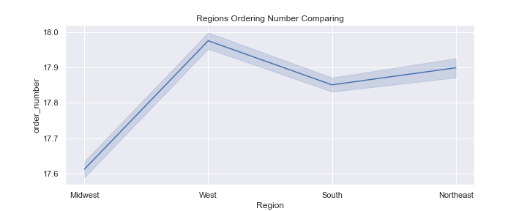

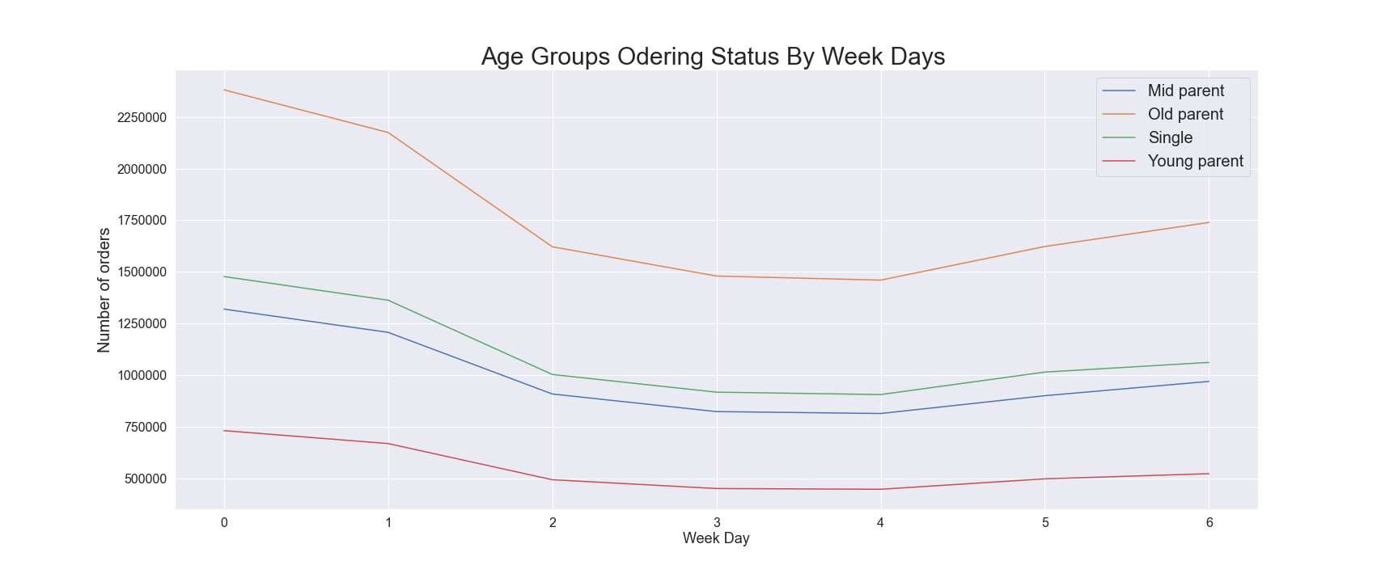
West gains the most orders postion and then followed by South, Midwest gains the last 1 with the average orders numbers.

Saturday is the buiest day but the most orders happens on Sunday then followed by Saturday, our customers like ordering more on Sunday for preparing the coming week.

7. Recommendations
 |  | Title page

Recommendations

In this tab you should include any recommendations you would made to Instcart in terms of their marketing strategy based on the questions posed in the brief. Every key question has been covered in the Tasks of the Exercises - here you need to add an item - a visualisation or table/crosstable that is showing the answer in the data, acompanied by a comment from you. Please, list the questions below and add the answer underneath.

Question | Answer
Key Question 1 | We need schedule ads on Thuesday and Wednesday at the day time after 19pm till 6am the next day morning.

Key Question 2 | We have the buiest period starting from 9 am till 18 pm during the day, especially between 10am and 11am. This period is good to stock more inventories and do some sales time by time.

Key Question 3 | The price range we have is from 1 to 25 and accroding to the analysis, customers's average buying price is around 7 to 8. customers oftenly order the products around this price, so I recommed do ads on those prices exclude in this range and stock more products in this range.

Key Question 4 | Banana has the most orders throupg all departments and the produce department is the top 1 department with the most orders, customers likes buying bananas and it holds 5% in all orders in produce department . Howerve, bulk and other department gained the last two positions as we have total of 3686 products through 17 departments. There are 177 products in produce department and only holds 5% percent, I recommed put more products into produce department. The dairy egges department has 871 products that takes 24% percent through all products and gains second most order department position, I mean produce must add more different products right away.

Key Question 5 | 1).Our customers who ordered back under 10 days have 72% and who order back between 10 and 20 days have 21%, we only have 7% of customers who order back above 20 days. This is a good flage, I recommend to focus on those orders between 10 and 20 days customers and do ads on them to increase the percentage under 10 days. 2).Generally speacking, there is no big difference base on our customer's loyalty flag and most of customers like buying from produce, dairy eggs and snacks department. These 3 departments always need to be stocked enough. 3).South ordered most in the frour regions and Northwest ordered the least. However, whatever customers from which region and they all have the similiar ordering habits. 4).Our most orders came from the customers who got married and have at least one dependants and age above 35 with middle income level (means income between 52000 and 125000). The old people whose age above 55 are the most potential group to order more from us and the young peope are the group that ordered the least. We should do some promotions to these young parents, like sales on baby's staffs.

Key Question 6 | *Saturday is the buiest day but the most orders happends on Sunday, our customers like ordering more for preparing the coming week *Old group whose age above 55 spent more than the other groups, but young group whose age under 35 spent the least

